Survey Design Tool
Survey Design Tool
Assumptions
The trap attractiveness is high and can pull BTM from about 25 m
The total delimited area remains unchanged and goes 3 mi out from the first detection
How to use this excel tool?
Input data goes to the green cell. Use the drop down to select your preferred option in the green cell and see the output total trap numbers and the probability of detection.
Please do not modify the gray cells; these are auto-calculated

CORE AREA
Select the radius of the core area | 0.5 | miles | -48.5
Select the trap density in the core | 49 | traps/sq. mi
Total traps in the core | 37 | traps
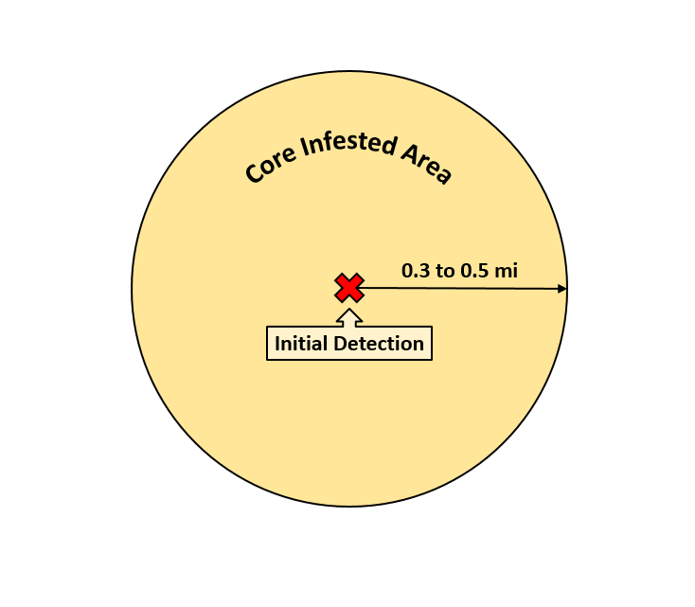
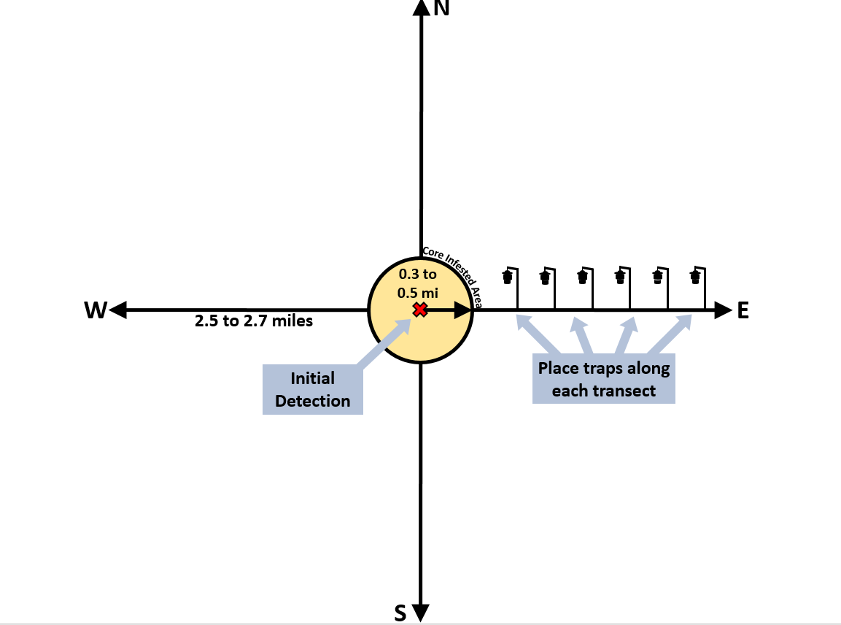

 |  |  |  |  | 16
 |  |  |  |  | 25
 |  |  |  |  | 36
 |  |  |  |  | 49

TRANSECTS
Select the number of transects | 8 | transects | -41
Select the trap density for the transects | 49 | traps/sq. mi
Length of the transect | 2.5 | mi
Trap to trap distance in the transect | 230 | meters
Total traps used for transects | 136 | traps |  |  | -48.7 | 0.3 | 49 | 12 | FALSE
Probability of detection | 0.83 |  | 99.5
Total traps | 173 | traps |  |  | -63.5 | 0.5 | 64 | 52 | FALSE | 1 | 2 | 3 | 4 | 5 | 6 | 7 | 8 | 9 | 10 | 11
 |  |  |  |  |  | Number of transects | Trap density for transects | Traps in the transects | trap to trap (m) |  | Core radius (mile) | Length of transect (mile) | Trap density in the core (traps/mi²) | Number of transects | Trap density for transects | Distance between traps in the transects (m) | Traps in the core | Traps in the transects | Total number of traps | p(detection)
 |  |  |  |  | -12 | 4 | 16 | 44 | 402 | 133.70 | 0.3 | 2.7 | 49 | 4.00 | 16 | 402 | 12 | 44 | 56 | 0.50096291287
 |  |  |  |  | -21 | 4 | 25 | 52 | 322 | 124.70 | 0.3 | 2.7 | 49 | 4.00 | 25 | 322 | 12 | 52 | 64 | 0.53685970043
 |  |  |  |  | -32 | 4 | 36 | 64 | 268 | 113.70 | 0.3 | 2.7 | 49 | 4.00 | 36 | 268 | 12 | 64 | 76 | 0.57295325693
 |  |  |  |  | -45 | 4 | 49 | 76 | 230 | 100.70 | 0.3 | 2.7 | 49 | 4.00 | 49 | 230 | 12 | 76 | 88 | 0.60292682804
 |  |  |  |  | -8 | 8 | 16 | 88 | 402 | 132.70 | 0.3 | 2.7 | 49 | 8.00 | 16 | 402 | 12 | 88 | 100 | 0.60830661067
 |  |  |  |  | -17 | 8 | 25 | 104 | 322 | 123.70 | 0.3 | 2.7 | 49 | 8.00 | 25 | 322 | 12 | 104 | 116 | 0.6638196801
 |  |  |  |  | -28 | 8 | 36 | 128 | 268 | 112.70 | 0.3 | 2.7 | 49 | 8.00 | 36 | 268 | 12 | 128 | 140 | 0.71398916983
 |  |  |  |  | -41 | 8 | 49 | 152 | 230 | 99.70 | 0.3 | 2.7 | 49 | 8.00 | 49 | 230 | 12 | 152 | 164 | 0.75484612773
 |  |  |  |  |  |  |  |  |  | 118.70 | 0.3 | 2.7 | 64 | 4.00 | 16 | 402 | 16 | 44 | 60 | 0.57657540497
 |  |  |  |  |  |  |  |  |  | 109.70 | 0.3 | 2.7 | 64 | 4.00 | 25 | 322 | 16 | 52 | 68 | 0.60989228586
 |  |  |  |  |  |  |  |  |  | 98.70 | 0.3 | 2.7 | 64 | 4.00 | 36 | 268 | 16 | 64 | 80 | 0.64068955027
 |  |  |  |  |  | Core | Length of transect |  |  | 85.70 | 0.3 | 2.7 | 64 | 4.00 | 49 | 230 | 16 | 76 | 92 | 0.66406124938
 |  |  |  |  |  | 0.3 | 2.7 |  |  | 117.70 | 0.3 | 2.7 | 64 | 8.00 | 16 | 402 | 16 | 88 | 104 | 0.65792260193
 |  |  |  |  |  | 0.5 | 2.5 |  |  | 108.70 | 0.3 | 2.7 | 64 | 8.00 | 25 | 322 | 16 | 104 | 120 | 0.70570669348
 |  |  |  |  |  |  |  |  |  | 97.70 | 0.3 | 2.7 | 64 | 8.00 | 36 | 268 | 16 | 128 | 144 | 0.74799185036
 |  |  |  |  |  |  |  |  |  | 84.70 | 0.3 | 2.7 | 64 | 8.00 | 49 | 230 | 16 | 153 | 169 | 0.78455879265
 |  |  |  |  |  |  |  |  |  | 133.50 | 0.5 | 2.5 | 49 | 4.00 | 16 | 402 | 37 | 40 | 77 | 0.7358079946
 |  |  |  |  |  |  |  |  |  | 124.50 | 0.5 | 2.5 | 49 | 4.00 | 25 | 322 | 37 | 48 | 85 | 0.74833891547
 |  |  |  |  |  |  |  |  |  | 113.50 | 0.5 | 2.5 | 49 | 4.00 | 36 | 268 | 37 | 60 | 97 | 0.76050568352
 |  |  |  |  |  |  |  |  |  | 100.50 | 0.5 | 2.5 | 49 | 4.00 | 49 | 230 | 37 | 68 | 105 | 0.83416028532
 |  |  |  |  |  |  |  |  |  | 132.50 | 0.5 | 2.5 | 49 | 8.00 | 16 | 402 | 37 | 80 | 117 | 0.77489487951
 |  |  |  | 32 |  |  |  |  |  | 123.50 | 0.5 | 2.5 | 49 | 8.00 | 25 | 322 | 37 | 96 | 133 | 0.79616849873
 |  |  |  |  |  |  |  |  |  | 112.50 | 0.5 | 2.5 | 49 | 8.00 | 36 | 268 | 37 | 120 | 157 | 0.81588435679
 |  |  |  |  |  |  |  |  |  | 99.50 | 0.5 | 2.5 | 49 | 8.00 | 49 | 230 | 37 | 136 | 173 | 0.83
 |  |  |  |  |  |  |  |  |  | 118.50 | 0.5 | 2.5 | 64 | 4.00 | 16 | 402 | 52 | 40 | 92 | 0.8312312439
 |  |  |  |  |  |  |  |  |  | 109.50 | 0.5 | 2.5 | 64 | 4.00 | 25 | 322 | 52 | 48 | 100 | 0.83917468122
 |  |  |  |  |  |  |  |  |  | 98.50 | 0.5 | 2.5 | 64 | 4.00 | 36 | 268 | 52 | 60 | 112 | 0.84676710259
 |  |  |  |  |  |  |  |  |  | 85.50 | 0.5 | 2.5 | 64 | 4.00 | 49 | 230 | 52 | 68 | 120 | 0.8543335506
 |  |  |  |  |  |  |  |  |  | 117.50 | 0.5 | 2.5 | 64 | 8.00 | 16 | 402 | 52 | 80 | 132 | 0.85464502701
 |  |  |  |  |  |  |  |  |  | 108.50 | 0.5 | 2.5 | 64 | 8.00 | 25 | 322 | 52 | 96 | 148 | 0.86776240283
 |  |  |  |  |  |  |  |  |  | 97.50 | 0.5 | 2.5 | 64 | 8.00 | 36 | 268 | 52 | 120 | 172 | 0.88040620621
 |  |  |  |  |  |  |  |  |  | 84.50 | 0.5 | 2.5 | 64 | 8.00 | 49 | 230 | 52 | 136 | 188 | 0.89146717193

